2_Feature Breakdown
Feature | Description
Main Menu | Start race, choose character, settings
Race | Real-time race with boost, overheat, and obstacles
Setting | Configure the game to suit user

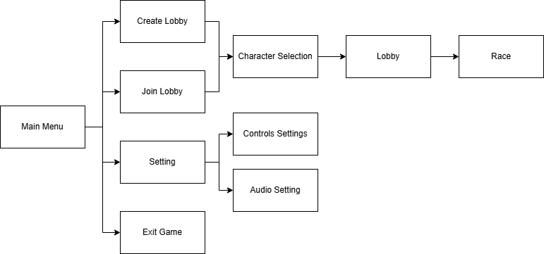
Main Menu |  | Race

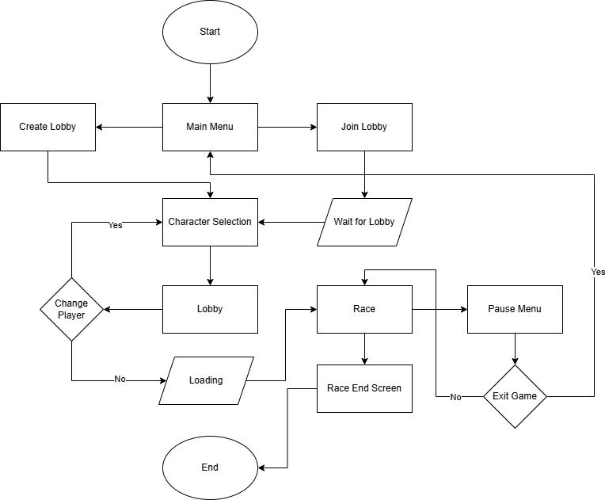

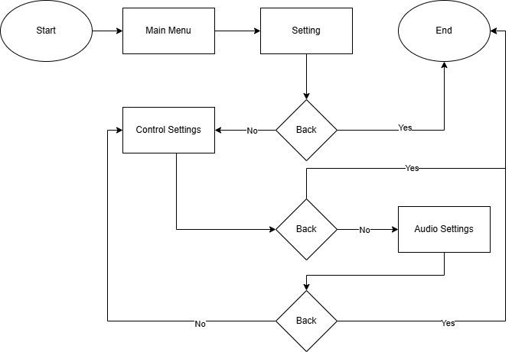
Setting

